Dashboard

Chromium Data

CURRENCY: USA

Generate PDF

Product Pics
Pic | Code
 | X-01
 | X-02
 | X-03
 | X-04
 | X-05
 | X-06
 | X-07
 | X-08
 | X-09
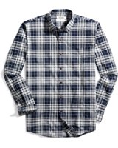 | X-10
 | X-11
 | X-12
 | X-13
 | X-14
 | X-15
 | X-16
 | X-17
 | X-18
 | X-19
 | X-20
 | X-21
 | X-22
 | X-23
 | X-24
 | X-25
 | X-26
 | X-27
 | X-28
 | X-29
 | X-30
 | X-31
 | X-32
 | X-33
 | X-34

